Foglio1
PHOTO | Cod. Art | DESCRIPTION | PIECES | Prezzo retail | TOT RETAIL
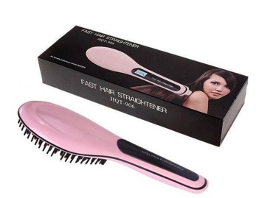 | HQT-906 | FAST HAIR | 1000 | 16.99 € | 16,990.00 €
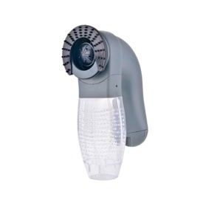 | 17403 | PET VACUUM | 1000 | 20.95 € | 20,950.00 €
 | D4500108 | MY PET | 500 | 20.95 € | 10,475.00 €
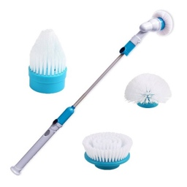 | RI-3816 | SPIN SCRUBBER | 1000 | 38.00 € | 38,000.00 €
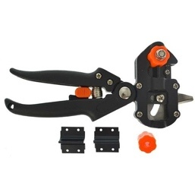 | 9700450 | GRAFTING GRIPPER | 500 | 19.90 € | 9,950.00 €
 | V0100249N | Magic Braid | 480 | 30.90 € | 14,832.00 €
 | SN-020 | Sonar Perfect Curl | 350 | 34.90 € | 12,215.00 €
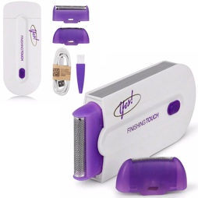 | 17842 | Epil Touch | 900 | 16.99 € | 15,291.00 €
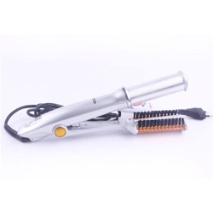 | 0904-037889 | ROTATING HAIR STRAIGHTENER | 450 | 42.95 € | 19,327.50 €
 | C000A | Cera brasiliana | 450 | 15.36 € | 6,912.00 €
TOTALE |  |  | 6630 |  | 164,942.50 €
TOTALE

